Application Board V2
AMMDK Generic Application Board V2
Capabilities
Function | Quantity | Description | Notes
Solenoids | 16 | 12 V solenoid drivers | 2 are PWM capable
Pressure sensors | 8 | 0-103.4 kPa (0-15 PSI) | 16-bit resolution
Motor Driver | 1 | Three phase brushless DC motor driver | 12 V max output
Low Flow Sensor | 1 | 0 mL/min - 240 mL/min | I2C interface
High Flow Sensor | 1 | 100 mL/min - 2500 mL/min | 22000 pulses/L
GPIO | 7 | General Purpose Input and Output pins | 3.3 V max input, 25 mA per pin, 100 mA total current draw
Analogue Inputs | 2 | 16-bit Analogue to Digital Converters | 3.3 V max input
Serial Interfaces | 3 | I2C, SPI, and UART | 3.3 V max input

Power Header J2 (Power From Motherboard)
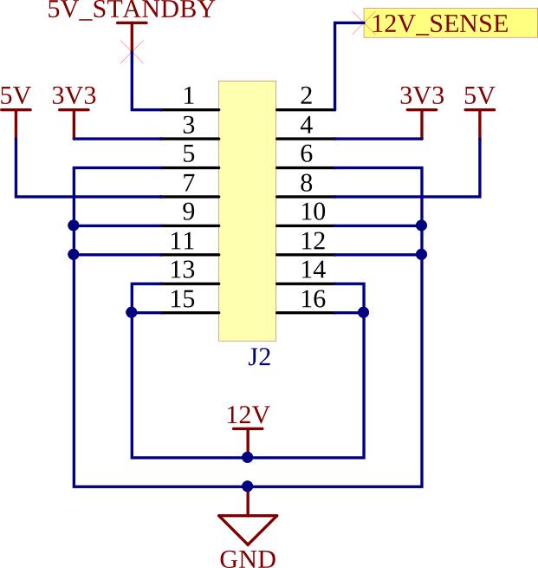

Pin Number | Pin Name | Description |  |  |  | Notes
1 | 5V | Standby Power (Low current only)
2 | 12V_DC_JACK_IN | 12 V Input Sense (Drive at 12 V when supplying current from the application board)
3 | MB_VREG_3P3 | 3.3 V Main Rail |  |  |  | 5 A max
4 | MB_VREG_3P3 | 3.3 V Main Rail
5 | GND | Common Ground
6 | GND | Common Ground
7 | MB_VREG_5P0 | 5 V Main Rail |  |  |  | 5 A max
8 | MB_VREG_5P0 | 5 V Main Rail
9 | GND | Common Ground
10 | GND | Common Ground
11 | GND | Common Ground
12 | GND | Common Ground
13 | VCC_12V | 12 V Main Rail, Bi-directional (High Current) |  |  |  | 5 A max
14 | VCC_12V | 12 V Main Rail, Bi-directional (High Current)
15 | VCC_12V | 12 V Main Rail, Bi-directional (High Current)
16 | VCC_12V | 12 V Main Rail, Bi-directional (High Current)

GPIO J16 (From Motherboard)
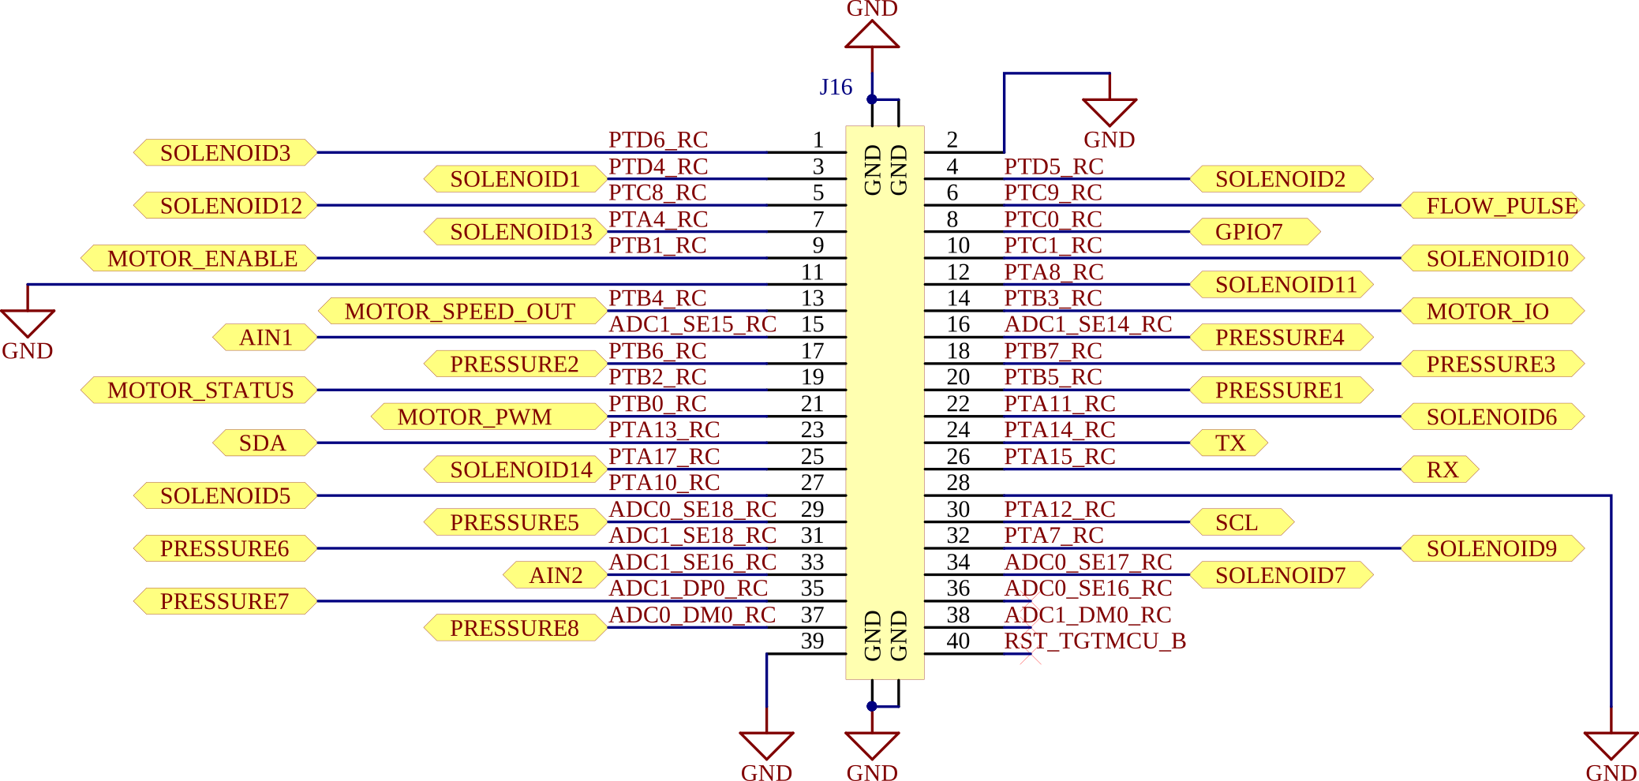

J16 Pin Number | Pin Name | Generic Application Board Pin Function | Usage
1 | PTD6_RC | Soleonid 3 Control | Set high to activate solenoid
2 | GND | Common Ground
3 | PTD4_RC | Solenoid 1 Control | Set high to activate solenoid
4 | PTD5_RC | Solenoid 2 Control | Set high to activate solenoid
5 | PTC8_RC | Solenoid 12 Control | Set high to activate solenoid
6 | PTC9_RC | High volume flow sensor | Count pulses to determine flow rate
7 | PTA4_RC | Solenoid 13 Control | Set high to activate solenoid
8 | PTC0_RC | GPIO 7 | 3.3 V max
9 | PTB1_RC | Motor Enable | Set high to activate motor
10 | PTC1_RC | Solenoid 10 Control | Set high to activate solenoid
11 | GND | Common Ground
12 | PTA8_RC | Solenoid 11 Control | Set high to activate solenoid
13 | PTB4_RC | Motor Speed Feedback (Analogue) | Read voltage level to determine motor speed
14 | PTB3_RC | Motor IO | General purpose motor IO
15 | ADC1_SE15_RC | Analogue Input 1 | Read voltage level (3.3 V max)
16 | ADC1_SE14_RC | Pressure Sensor 4 (Analogue) | Read voltage level to determine pressure
17 | PTB6_RC | Pressure Sensor 2 (Analogue) | Read voltage level to determine pressure
18 | PTB7_RC | Pressure Sensor 3 (Analogue) | Read voltage level to determine pressure
19 | PTB2_RC | Motor Status Feedback
20 | PTB5_RC | Pressure Sensor 1 (Analogue) | Read voltage level to determine pressure
21 | PTB0_RC | Motor PWM Speed Control | Modulate pulse width to set motor speed
22 | PTA11_RC | Solenoid 6 Control | Set high to activate solenoid (PWM capable)
23 | PTA13_RC | J15 I2C Header SDA | I2C2, 3.3 V max
24 | PTA14_RC | J3 UART TX | UART transmit (3.3 V)
25 | PTA17_RC | Solenoid 14 Control | Set high to activate solenoid
26 | PTA15_RC | J3 UART RX | UART receive (3.3 V max)
27 | PTA10_RC | Solenoid 5 Control | Set high to activate solenoid (PWM capable)
28 | GND | Common Ground
29 | ADC0_SE18_RC | Pressure Sensor 5 (Analogue) | Read voltage level to determine pressure
30 | PTA12_RC | J15 I2C Header SCL | I2C2, 3.3 V max
31 | ADC1_SE18_RC | Pressure Sensor 6 (Analogue) | Read voltage level to determine pressure
32 | PTA7_RC | Solenoid 9 Control | Set high to activate solenoid
33 | ADC1_SE16_RC | Analogue Input 2 | Read voltage level (3.3 V max)
34 | ADC0_SE17_RC | Solenoid 7 Control | Set high to activate solenoid
35 | ADC1_DP0_RC | Pressure Sensor 7 (Analogue) | Read voltage level to determine pressure
36 | ADC0_SE16_RC | N/A
37 | ADC0_DM0_RC | Pressure Sensor 8 (Analogue) | Read voltage level to determine pressure
38 | ADC1_DM0_RC | N/A
39 | GND | Common Ground
40 | RST_TGTMCU_B | N/A

GPIO J17 (From Motherboard)
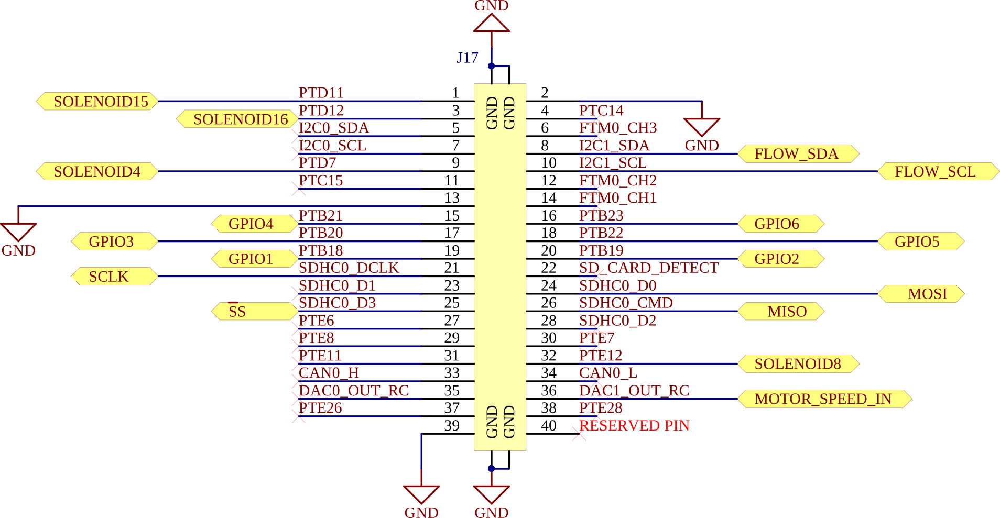

J17 Pin Number | Pin Name | Generic Application Board Pin Function | Usage
1 | PTD11 | Solenoid 15 Control | Set high to activate solenoid
2 | GND | Common Ground
3 | PTD12 | Solenoid 16 Control | Set high to activate solenoid
4 | PTC14 | N/A
5 | I2C0_SDA | N/A
6 | FTM0_CH3 | N/A
7 | I2C0_SCL | N/A
8 | I2C1_SDA | Low Flow Sensor I2C SDA | I2C1, 3.3 V max
9 | PTD7 | Solenoid 4 Control | Set high to activate solenoid
10 | I2C1_SCL | Low Flow Sensor I2C SCL | I2C1, 3.3 V max
11 | PTC15 | N/A
12 | FTM0_CH2 | N/A
13 | GND | Common Ground
14 | FTM0_CH1 | N/A
15 | PTB21 | GPIO 4 | 3.3 V max
16 | PTB23 | GPIO 6 | 3.3 V max
17 | PTB20 | GPIO 3 | 3.3 V max
18 | PTB22 | GPIO 5 | 3.3 V max
19 | PTB18 | GPIO 1 | 3.3 V max
20 | PTB19 | GPIO 2 | 3.3 V max
21 | SDHC0_DCLK | SPI SCLK | SPI1, 3.3 V max
22 | SD_CARD_DETECT | N/A
23 | SDHC0_D1 | N/A
24 | SDHC0_D0 | SPI MOSI | SPI1, 3.3 V max
25 | SDHC0_D3 | SPI SS | SPI1, 3.3 V max
26 | SDHC0_CMD | SPI MISO | SPI1, 3.3 V max
27 | PTE6 | N/A
28 | SDHC0_D2 | N/A
29 | PTE8 | N/A
30 | PTE7 | N/A
31 | PTE11 | N/A
32 | PTE12 | Solenoid 8 Control | Set high to activate solenoid
33 | CAN0_H | N/A
34 | CAN0_L | N/A
35 | DAC0_OUT_RC | N/A
36 | DAC1_OUT_RC | Motor Speed Input (Analogue) | Set an analogue voltage to control motor speed
37 | PTE26 | N/A
38 | PTE28 | N/A
39 | GND | Common Ground
40 | RESERVED FOR INTERNAL USE | N/A

Generic Application Board Solenoid Control

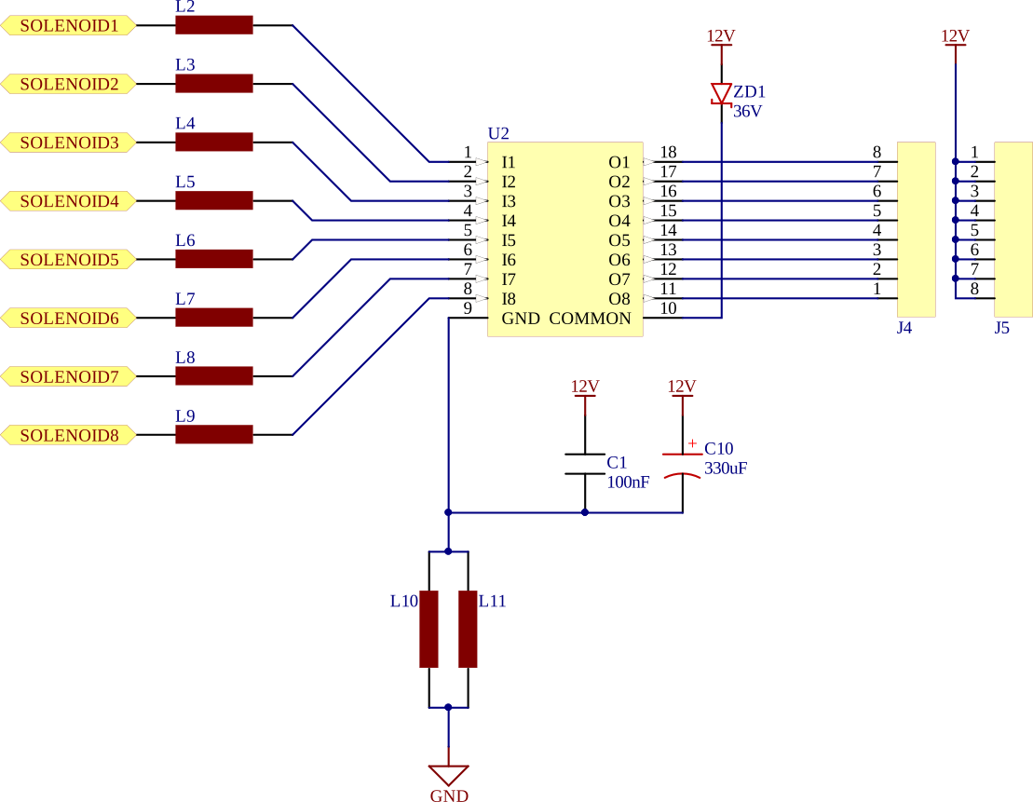

Descriptor | Pin | Function | Motherboard MCU Pin Name | Notes
J4 | 8 | Solenoid 1 GND (N-FET Controlled) | PTD4_RC | 500 mA max*
J4 | 7 | Solenoid 2 GND (N-FET Controlled) | PTD5_RC | 500 mA max*
J4 | 6 | Solenoid 3 GND (N-FET Controlled) | PTD6_RC | 500 mA max*
J4 | 5 | Solenoid 4 GND (N-FET Controlled) | PTD7 | 500 mA max*
J4 | 4 | Solenoid 5 GND (N-FET Controlled) | PTA10_RC | 500 mA max*, PWM Capable
J4 | 3 | Solenoid 6 GND (N-FET Controlled) | PTA11_RC | 500 mA max*, PWM Capable
J4 | 2 | Solenoid 7 GND (N-FET Controlled) | ADC0_SE17_RC | 500 mA max*
J4 | 1 | Solenoid 8 GND (N-FET Controlled) | PTE12 | 500 mA max*
J5 | 2018-01-08 | Solenoids 1-8 +12V Supply | N/A
J6 | 8 | Solenoid 9 GND (N-FET Controlled) | PTA7_RC | 500 mA max*
J6 | 7 | Solenoid 10 GND (N-FET Controlled) | PTC1_RC | 500 mA max*
J6 | 6 | Solenoid 11 GND (N-FET Controlled) | PTA8_RC | 500 mA max*
J6 | 5 | Solenoid 12 GND (N-FET Controlled) | PTC8_RC | 500 mA max*
J6 | 4 | Solenoid 13 GND (N-FET Controlled) | PTA4_RC | 500 mA max*
J6 | 3 | Solenoid 14 GND (N-FET Controlled) | PTA17_RC | 500 mA max*
J6 | 2 | Solenoid 15 GND (N-FET Controlled) | PTD11 | 500 mA max*
J6 | 1 | Solenoid 16 GND (N-FET Controlled) | PTD12 | 500 mA max*
J7 | 2018-01-08 | Solenoids 9-16 +12V Supply | N/A
Note* | Consult the datasheet for the IC for recommended current per pin when using multiple pins at varying duty cyles.
 | TBD62083A Datasheet

Generic Application Board Pressure Sensor

Descriptor | Pressure Sensor Name | Motherboard MCU Pin Name | Notes
U3 | Pressure 1 | PTB5_RC | To calculate pressure, read the 12-bit ADC value, and use this equation: Pressure (PSI) = VALUE * (3/10280*16) - (15/8)
U4 | Pressure 2 | PTB6_RC
U5 | Pressure 3 | PTB7_RC
U6 | Pressure 4 | ADC1_SE14_RC
U8 | Pressure 5 | ADC0_SE18_RC
U9 | Pressure 6 | ADC1_SE18_RC
U10 | Pressure 7 | ADC1_DP0_RC
U11 | Pressure 8 | ADC0_DM0_RC

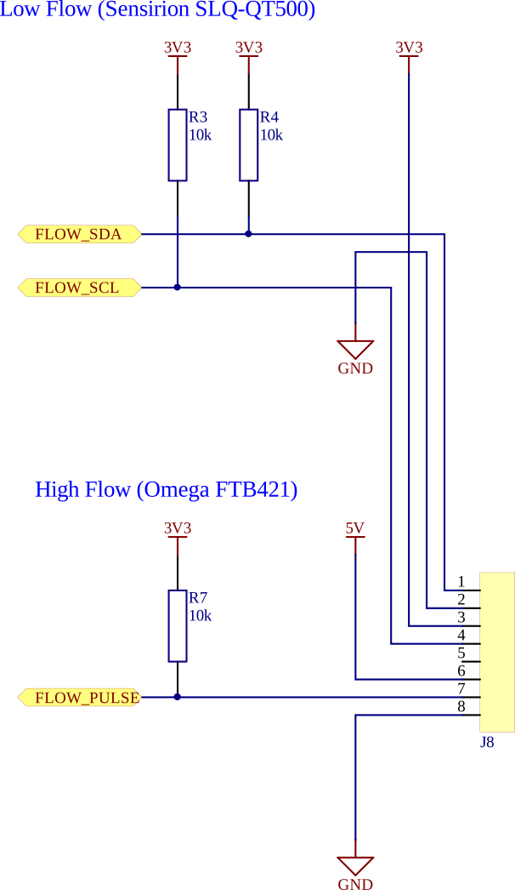

Sensirion SLQ-QT500 Low Flow Sensor (0 mL/min - 240 mL/min)
Descriptor | Pin | Description | Motherboard MCU Pin Name | Notes
J8 | 1 | FLOW_SDA (I2C) | I2C1_SDA | 3.3 V max
J8 | 2 | GND | N/A
J8 | 3 | 3.3 V Supply | N/A | 5 A max
J8 | 4 | FLOW_SCL (I2C) | I2C1_SCL | 3.3 V max

Omega FTB421 High Flow Sensor (100 mL/min - 2500 mL/min)
Descriptor | Pin | Description | Motherboard MCU Pin Name | Notes
J8 | 6 | 5 V Supply | N/A | 5 A max
J8 | 7 | Flow Pulse Counter | PTC9_RC | 22000 pulses/L
J8 | 8 | GND | N/A

MISC I/O
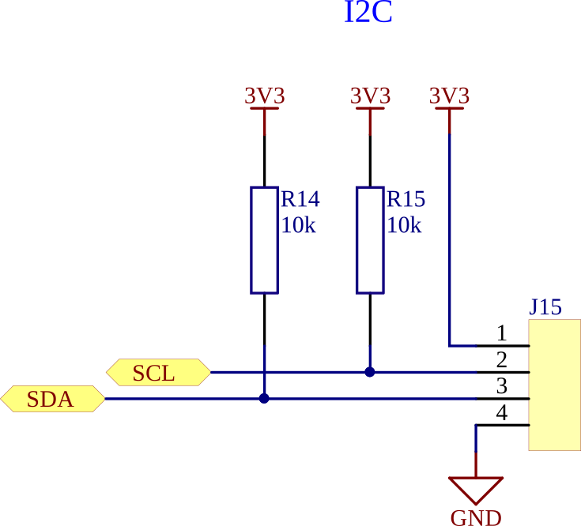

Descriptor | Pin | Function Description | Interface | Motherboard MCU PIn | Notes
J15 | 1 | 3.3 V Supply | I2C | N/A | 5 A max
J15 | 2 | SCL | I2C | PTA12_RC | 3.3 V max
J15 | 3 | SDA | I2C | PTA13_RC | 3.3 V max
J15 | 4 | GND | I2C | N/A

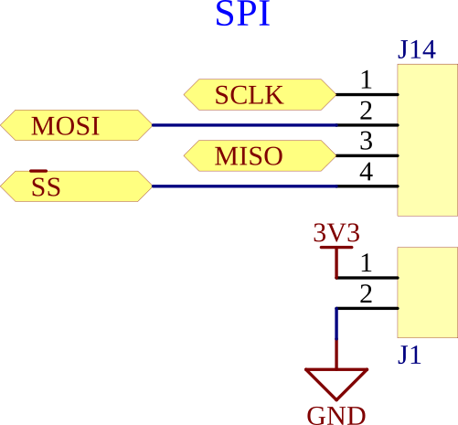

Descriptor | Pin | Function Description | Interface | Motherboard MCU PIn | Notes
J1 | 1 | 3.3 V Supply | SPI | N/A | 5 A max
J1 | 2 | GND | SPI | N/A
J14 | 1 | SCLK | SPI | SDHC0_DCLK | 3.3 V max
J14 | 2 | MISO | SPI | SDHC0_D0 | 3.3 V max
J14 | 3 | MOSI | SPI | SDHC0_CMD | 3.3 V max
J14 | 4 | SS | SPI | SDHC0_D3 | 3.3 V max

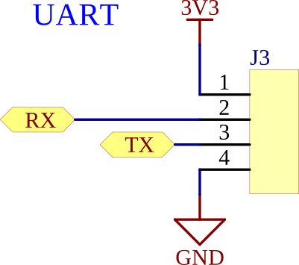

Descriptor | Pin | Function Description | Interface | Motherboard MCU PIn | Notes
J3 | 1 | 3.3 V Supply | UART | N/A | 5 A max
J3 | 2 | RX | UART | PTA15_RC | 3.3 V max
J3 | 3 | TX | UART | PTA14_RC | 3.3 V max
J3 | 4 | GND | UART | N/A
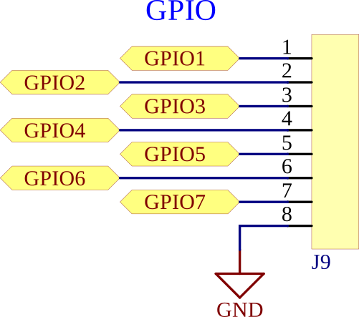

Descriptor | Pin | Function Description | Interface | Motherboard MCU PIn | Notes
J9 | 1 | GPIO 1 | GPIO | PTB18 | 3.3 V max, PWM Capable
J9 | 2 | GPIO 2 | GPIO | PTB19 | 3.3 V max, PWM Capable
J9 | 3 | GPIO 3 | GPIO | PTB20 | 3.3 V max
J9 | 4 | GPIO 4 | GPIO | PTB21 | 3.3 V max
J9 | 5 | GPIO 5 | GPIO | PTB22 | 3.3 V max
J9 | 6 | GPIO 6 | GPIO | PTB23 | 3.3 V max
J9 | 7 | GPIO 7 | GPIO | PTC0_RC | 3.3 V max, Analogue Input Capable
J9 | 8 | GND | GPIO | N/A
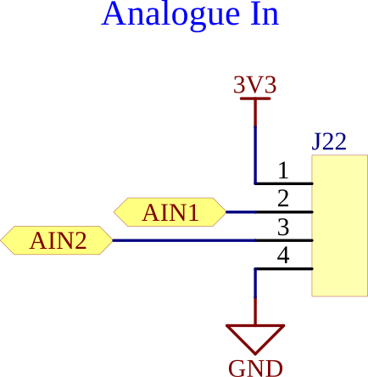

Descriptor | Pin | Function Description | Interface | Motherboard MCU PIn | Notes
J22 | 1 | 3.3 V Supply | Analogue In | N/A | 5 A max
J22 | 2 | Analogue Input 1 | Analogue In | ADC1_SE15_RC | 3.3 V max
J22 | 3 | Analogue Input 2 | Analogue In | ADC1_SE16_RC | 3.3 V max
J22 | 4 | GND | Analogue In | N/A
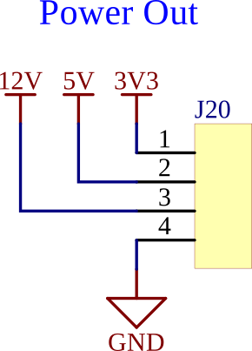

Descriptor | Pin | Function Description | Interface | Motherboard MCU PIn | Notes
J20 | 1 | 3.3 V Supply | Power Out | N/A | 5 A max
J20 | 2 | 5 V Supply | Power Out | N/A | 5 A max
J20 | 3 | 12 V Supply | Power Out | N/A | 5 A max
J20 | 4 | GND | Power Out | N/A

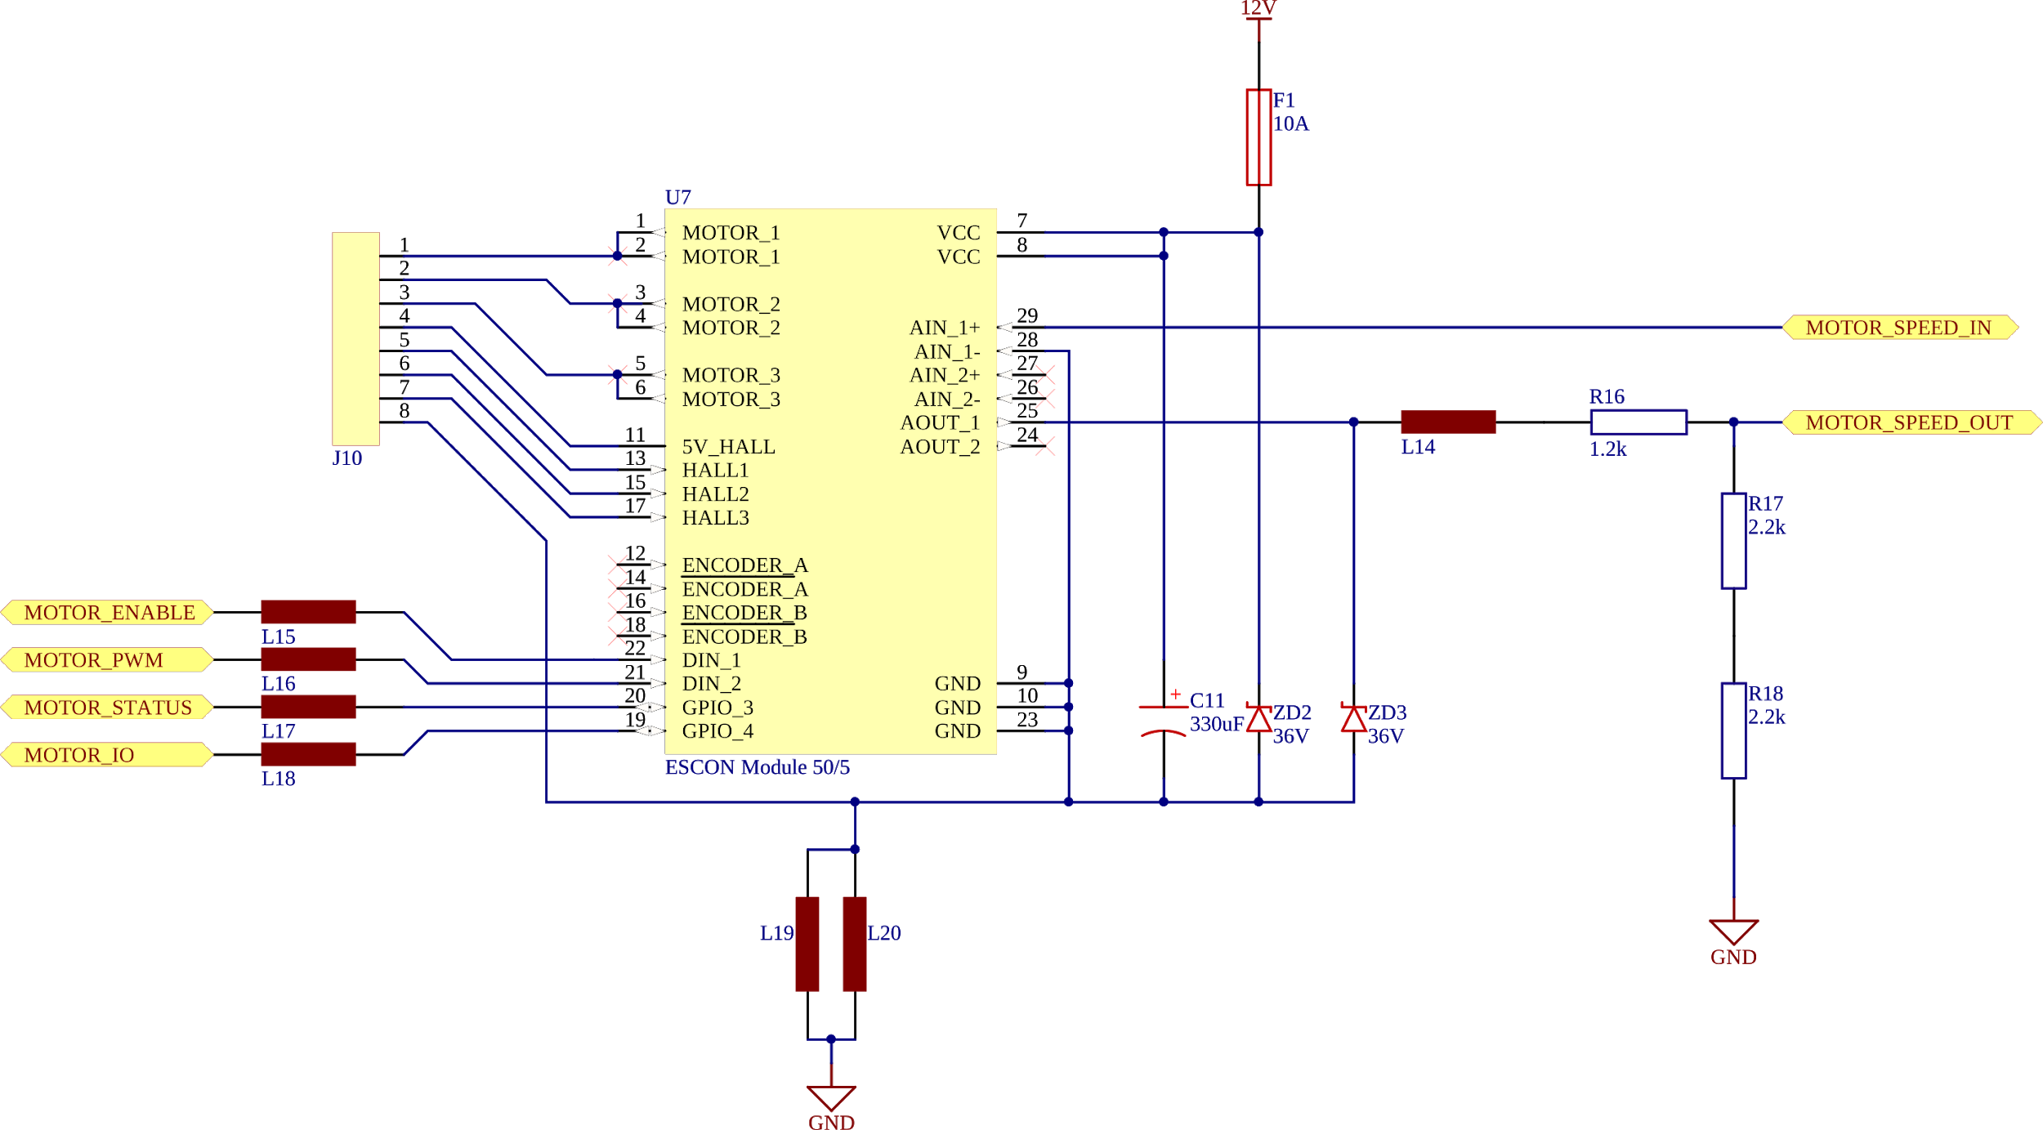
Motor Controller

Descriptor | Pin | Function Description | Interface | Motherboard MCU PIn
J10 | 1 | Motor Winding 1 | Motor | N/A
J10 | 2 | Motor Winding 2 | Motor | N/A
J10 | 3 | Motor Winding 3 | Motor | N/A
J10 | 4 | Hall Sensor 5 V Power | Motor | N/A
J10 | 5 | Hall Sensor 1 | Motor | N/A
J10 | 6 | Hall Sensor 2 | Motor | N/A
J10 | 7 | Hall Sensor 3 | Motor | N/A
J10 | 8 | Hall Sensor GND | Motor | N/A

Descriptor | Pin | Function Description | Interface | Motherboard MCU PIn
U7 | N/A | MOTOR_ENABLE | Motor | PTB1_RC
U7 | N/A | MOTOR_PWM | Motor | PTB0_RC
U7 | N/A | MOTOR_STATUS | Motor | PTB2_RC
U7 | N/A | MOTOR_IO | Motor | PTB3_RC
U7 | N/A | MOTOR_SPEED_IN | Motor | DAC1_OUT_RC
U7 | N/A | MOTOR_SPEED_OUT | Motor | PTB4_RC

AMMDK Motherboard Spec
AMMDK Motherboard V0.1.0
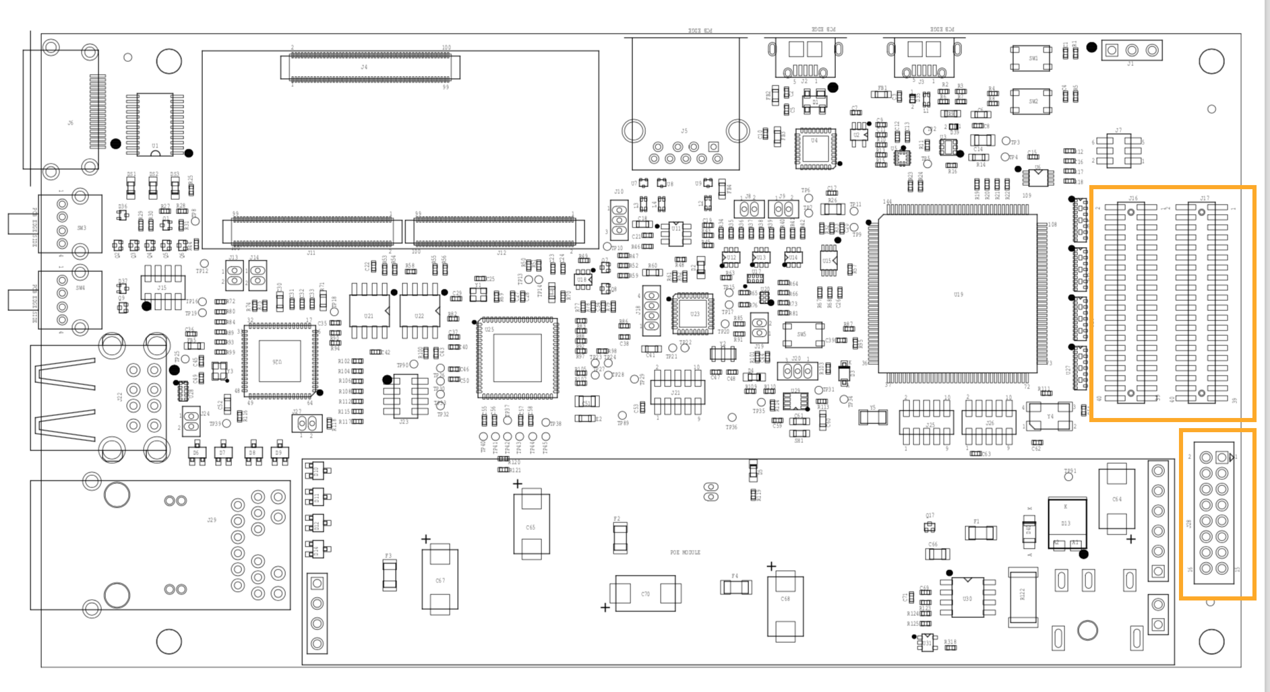

GPIO Connectors J16 (Left) , J17 (Right)

Power Header J28

Power Header J28
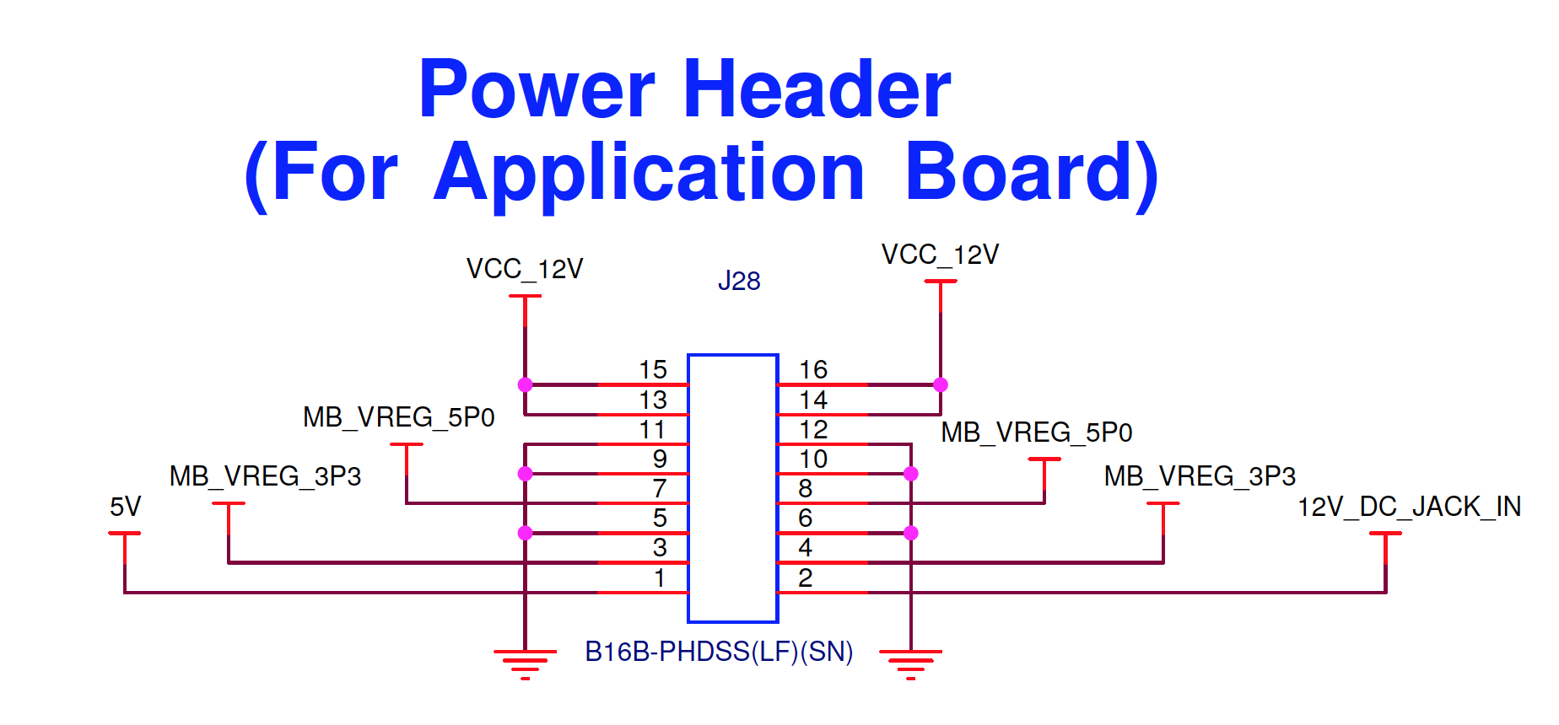

Pin Number | Pin Name | Description |  |  |  |  | Max Current
1 | 5V | Standby Power (Low current only)
2 | 12V_DC_JACK_IN | 12 V Input Sense (Drive at 12 V when supplying current from the application board)
3 | MB_VREG_3P3 | 3.3 V Main Rail |  |  |  |  | 8 A
4 | MB_VREG_3P3 | 3.3 V Main Rail |  |  |  |  | 8 A
5 | GND | Common Ground
6 | GND | Common Ground
7 | MB_VREG_5P0 | 5 V Main Rail |  |  |  |  | 8 A
8 | MB_VREG_5P0 | 5 V Main Rail |  |  |  |  | 8 A
9 | GND | Common Ground
10 | GND | Common Ground
11 | GND | Common Ground
12 | GND | Common Ground
13 | VCC_12V | 12 V Main Rail, Bi-directional (High Current) |  |  |  |  | 8 A
14 | VCC_12V | 12 V Main Rail, Bi-directional (High Current) |  |  |  |  | 8 A
15 | VCC_12V | 12 V Main Rail, Bi-directional (High Current) |  |  |  |  | 8 A
16 | VCC_12V | 12 V Main Rail, Bi-directional (High Current) |  |  |  |  | 8 A

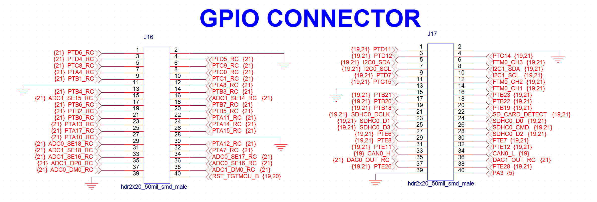
GPIO Connectors

GPIO Header J16

J16 Pin Number | Pin Name | Low Pass Filter | Digital Input | Digital Output | PWM Output | Analog Input | Analog Output (DAC) | Serial Interface | Other
1 | PTD6_RC |  | PTD6 | PTD6 |  | ADC0_SE7b |  | SPI1_SOUT, UART0_RX | FTM0_CH6, FTM0_FLT0
2 | GND
3 | PTD4_RC |  | PTD4 | PTD4 |  |  |  | SPI1_PSC0, UART0_RTS_b | FTM0_CH4
4 | PTD5_RC |  | PTD5 | PTD5 |  | ADC0_SE6b |  | SPI1_SCK, UART0_CTS_b, UART0_COL_b | FTM0_CH5
5 | PTC8_RC |  | PTC8 | PTC8 |  | CMP0_IN0 |  | I2S0_RX_BCLK, I2S0_MCLK | PDB0_EXTRG
6 | PTC9_RC |  | PTC9 | PTC9 |  | ADC1_SE5b, CMP0_IN3 |  | I2S0_RX_BCLK | FTM2_FLT0, FTM3_CH5
7 | PTA4_RC |  | PTA4 | PTA4 |  |  |  |  | FTM0_CH1, TSI0_CH5
8 | PTC0_RC |  | PTC0 | PTC0 |  | ADC0_SE14 |  | UART1_RTS_b, I2S0_TXD1 | TSI0_CH13, PDB0_EXTRG
9 | PTB1_RC |  | PTB1 | PTB1 | TPM1_CH1 | ADC0_SE9, ADC1_SE9 |  |  | FTM1_CH1, FTM1_QD_PHB
10 | PTC1_RC |  | PTC1 | PTC1 |  | ADC0_SE15 |  | UART1_RTS_b, I2S0_TXD0 | TSI0_CH14, FTM0_CH0
11 | GND
12 | PTA8_RC |  | PTA8 | PTA8 | TPM1_CH0 | ADC0_SE11 |  |  | FTM1_CH0, FTM1_QD_PHA
13 | PTB4_RC |  | PTB4 | PTB4 |  | ADC1_SE10 |  |  | FTM1_FLT0
14 | PTB3_RC |  | PTB3 | PTB3 |  | ADC0_SE13 |  | I2C0_SDA, UART0_CTS_b, UART0_COL_b | FTM0_FLT0
15 | ADC1_SE15_RC |  | PTB11 | PTB11 |  | ADC1_SE15 |  | SPI1_SCK, UART3_TX | FTM0_FLT2
16 | ADC1_SE14_RC |  | PTB10 | PTB10 |  | ADC1_SE14 |  | SPI1_PCS0, UART3_RX | FTM0_FLT1
17 | PTB6_RC |  | PTB6 | PTB6 |  | ADC1_SE12
18 | PTB7_RC |  | PTB7 | PTB7 |  | ADC1_SE13
19 | PTB2_RC |  | PTB2 | PTB2 |  | ADC0_SE12 |  | I2C0_SCL, UART0_RTS_b | FTM0_FLT3
20 | PTB5_RC |  | PTB5 | PTB5 |  | ADC1_SE11 |  |  | FTM2_FLT0
21 | PTB0_RC |  | PTB0 | PTB0 | TPM1_CH0 | ADC0_SE8, ADC1_SE8 |  | I2C0_SCL | FTM1_CH0, FTM1_QD_PHA
22 | PTA11_RC |  | PTA11 | PTA11 | TPM2_CH1 |  |  | I2C2_SDA | FTM2_CH1, FTM2_QD_PHB
23 | PTA13_RC |  | PTA13 | PTA13 | TPM1_CH1 | CMP2_IN1 |  | CAN0_RX, I2C2_SDA, I2S0_TX_FS | FTM1_QD_PHB
24 | PTA14_RC |  | PTA14 | PTA14 |  |  |  | UART0_TX, I2C2_SCL, I2S0_RX_BCLK, I2S0_TXD1
25 | PTA17_RC |  | PTA17 | PTA17 |  | ADC1_SE17 |  | UART0_RTS_b, I2S0_MCLK
26 | PTA15_RC |  | PTA15 | PTA15 |  | CMP3_IN1 |  | UART0_RX, I2S0_RXD0
27 | PTA10_RC |  | PTA10 | PTA10 | TPM2_CH0 |  |  |  | FTM2_QD_PHA
28 | GND
29 | ADC0_SE18_RC |  | PTE25 | PTE25 |  | ADC0_SE18 |  | CAN1_RX, UART4_RX, I2C0_SDA
30 | PTA12_RC |  | PTA12 | PTA12 | TPM1_CH0 | CMP2_IN0 |  | CAN0_TX, I2C2_SCL, I2S0_TXD0 | FTM1_CH0, FTM1_QD_PHA
31 | ADC1_SE18_RC |  |  |  |  | ADC1_SE18, CMP1_IN5, CMP0_IN5 |  |  | VREF_OUT
32 | PTA7_RC |  | PTA7 | PTA7 |  | ADC0_SE10 |  |  | FTM0_CH4
33 | ADC1_SE16_RC |  |  |  |  | ADC1_SE16, CMP2_IN2, ADC0_SE22
34 | ADC0_SE17_RC |  | PTE24 | PTE24 |  | ADC0_SE17 |  | CAN1_TX, UART4_TX, I2C0_SCL
35 | ADC1_DP0_RC |  |  |  |  | ADC1_DP0, ADC0_DP3
36 | ADC0_SE16_RC |  |  |  |  | ADC0_SE16, CMP1_IN2, ADC0_SE21
37 | ADC0_DM0_RC |  |  |  |  | ADC0_DM0, ADC1_DM3
38 | ADC1_DM0_RC |  |  |  |  | ADC1_DM0, ADC0_DM3
39 | GND
40 | RST_TGTMCU_B |  |  |  |  |  |  |  | RESET K66 MCU

Notes
Item | Explanation |  |  |  |  |  |  | TODO:
RC FILTER | There is a RC Low Pass filter with a -3dB point of 7.234MHz. If your digital signal has edge rates* faster than this, remove the corresponding 220 pF capacitor for correct performance. |  |  |  |  |  |  | 1) Check TSI is/is not affected by RC filter
 |  |  |  |  |  |  |  | 2) Figure out how all serial interfaces are muxed to lots of different pins

 | *Edge rates have nothing to do with the speed of the data. You could be sending 10 bits/second but still have digital edges that rise/fall in nano/picoseconds. For example a (super common) 3ns rise time ~ 333MHz).

GPIO Header J17

J17 Pin Number | Pin Name | Low Pass Filter | Digital Input | Digital Output | PWM Output | Analog Input | Analog Output (DAC) | Serial Interface | Other
1 | PTD11 |  | PTD11 | PTD11 |  |  |  | SPI2_PCS0, LPUART0_CTS_b | SDHC0_CLKIN
2 | GND
3 | PTD12 |  | PTD12 | PTD12 |  |  |  | SPI2_SCK | FTM3_FLT0
4 | PTC14 |  | PTC14 | PTC14 |  |  |  | SPI2_SIN
5 | I2C0_SDA |  | PTD9 | PTD9 |  |  |  | I2C0_SDA, LPUART0_TX
6 | FTM0_CH3 |  | PTC4 | PTC4 |  |  |  | UART1_TX | LLWU_P8, FTM0_CH3, CMP1_OUT
7 | I2C0_SCL |  | PTD8 | PTD8 |  |  |  | I2C0_SCL, LPUART0_RX | LLWU_P24
8 | I2C1_SDA |  | PTC11 | PTC11 |  | ADC1_SE7b |  | I2C1_SDA, I2S0_RXD1 | LLWU_P11, FTM3_CH7
9 | PTD7 |  | PTD7 | PTD7 |  |  |  | UART0_TX, SPI1_SIN | FTM0_FLT1, CMT_IRO, FTM0_CH7
10 | I2C1_SCL |  | PTC10 | PTC10 |  | ADC1_SE6b |  | I2C1_SCL, I2S0_RX_FS | FTM3_CH6
11 | PTC15 |  | PTC15 | PTC15 |  |  |  | UART4_TX
12 | FTM0_CH2 |  | PTC3 | PTC3 |  |  |  | UART1_RX, I2S0_TX_BCLK | CMP1_IN1, LLWU_P7, FTM0_CH2, CLKOUT
13 | GND
14 | FTM0_CH1 |  | PTC2 | PTC2 |  | ADC0_SE4b |  | UART1_CTS_b, I2S0_TX_FS | CMP1_IN0, TSI0_CH15, FTM0_CH1
15 | PTB21 |  | PTB21 | PTB21 |  |  |  | SPI2_SCK | CMP1_OUT | TSI = Touch Sensing Input
16 | PTB23 |  | PTB23 | PTB23 |  |  |  | SPI2_SIN | CMP3_OUT | FTM = FlexTimer Module
17 | PTB20 |  | PTB20 | PTB20 |  |  |  | SPI2_PCS0 | CMP0_OUT | FB = FlexBus
18 | PTB22 |  | PTB22 | PTB22 |  |  |  | SPI2_SOUT | CMP2_OUT | CMP = Chip-specific Comparator
19 | PTB18 |  | PTB18 | PTB18 | TPM2_CH0 |  |  | CAN0_TX, I2S0_TX_BCLK | TSI0_CH11, FTM2_CH0, FTM2_QD_PHA | CMT = Carrier Modulator Transmitter
20 | PTB19 |  | PTB19 | PTB19 | TPM2_CH1 |  |  | CAN0_RX, I2S0_TX_FS | FTM2_CH1, FTM2_QD_PHB, TSI0_CH12 | LLWU = Low Leakage WakeUp
21 | SDHC0_DCLK |  | PTE2 | PTE2 |  | ADC1_SE6a |  | SPI1_SCK, UART1_CTS_b | LLWU_P1, SDHC0_DCLK, TRACE_D2 | TPM = Timer PWM Module
22 | SD_CARD_DETECT |  | PTD10 | PTD10 |  |  |  | LPUART0_RTS_b |  | LPTMR = Low Power Timer
23 | SDHC0_D1 |  | PTE0 | PTE0 |  | ADC1_SE4a |  | SPI1_PCS1, UART1_TX, I2C1_SDA | SDHC0_D1, TRACE_CLKOUT, RTC_CLKOUT
24 | SDHC0_D0 |  | PTE1 | PTE1 |  | ADC1_SE5a |  | SPI1_SOUT, UART1_RX, I2C1_SCL, SPI1_SIN | LLWU_P0, SDHC0_D0, TRACE_D3
25 | SDHC0_D3 |  | PTE4 | PTE4 |  |  |  | SPI1_PCS0, UART3_TX | SDHC0_D3, TRACE_D0
26 | SDHC0_CMD |  | PTE3 | PTE3 |  | ADC1_SE7a |  | SPI1_SIN, UART1_RTS_b, SPI1_SOUT | SDHC0_CMD, TRACE_D1
27 | PTE6 |  | PTE6 | PTE6 |  |  |  | SPI1_PCS3, UART3_CTS_b, I2S0_MCLK | FTM3_CH1
28 | SDHC0_D2 |  | PTE5 | PTE5 |  |  |  | SPI1_PCS2, UART3_RX, SDHC0_D2 | FTM3_CH0
29 | PTE8 |  | PTE8 | PTE8 |  |  |  | I2S0_RXD1, I2S0_RX_FS, LPUART0_TX | FTM3_CH3
30 | PTE7 |  | PTE7 | PTE7 |  |  |  | UART3_RTS_b, I2S0_RXD0 | FTM3_CH2
31 | PTE11 |  | PTE11 | PTE11 |  |  |  | I2S0_TX_FS, LPUART0_RTS_b | FTM3_CH6
32 | PTE12 |  | PTE12 | PTE12 |  |  |  | I2S0_TX_BCLK | FTM3_CH7
33 | CAN0_H |  | PTC17 | PTC17 |  |  |  | CAN1_TX, UART3_TX
34 | CAN0_L |  | PTC16 | PTC16 |  |  |  | CAN1_RX, UART3_RX
35 | DAC0_OUT_RC |  |  |  |  | ADC0_SE23 | DAC0_OUT | - | CMP1_IN3
36 | DAC1_OUT_RC |  |  |  |  | ADC1_SE23 | DAC1_OUT | - | CMP0_IN4, CMP2_IN3
37 | PTE26 |  | PTE26 | PTE26 |  |  |  | UART4_CTS_b | RTC_CLKOUT
38 | PTE28 |  | PTE28 | PTE28 |  |  |  | -
39 | GND
40 | RESERVED FOR INTERNAL USE

Feature | Function | Connector J16 Pins | Connector J17 Pins
I2C0 | SCL | 19, 21, 34 | 7
I2C0 | SDA | 14, 29 | 5

I2C1 | SCL |  | 10, 24
I2C1 | SDA |  | 8, 23

I2C2 | SCL | 24, 30
I2C2 | SDA | 22, 23

SPI1 | SIN |  | 9, 24, 26
SPI1 | SOUT | 1 | 24, 26
SPI1 | SCK | 4, 15 | 21
SPI1 | PCS0 | 3, 16 | 25
SPI1 | PCS1 |  | 23
SPI1 | PCS2 |  | 28
SPI1 | PCS3 |  | 27

SPI2 | SIN |  | 16, 4
SPI2 | SOUT |  | 18
SPI2 | SCK |  | 3, 15
SPI2 | PCS0 |  | 1, 17

CAN0 | RX | 23 | 20
CAN0 | TX | 30 | 19

CAN1 | RX | 29 | 34
CAN1 | TX | 34 | 33

I2S0 | TXD0 | 10, 30
I2S0 | TXD1 | 8, 24
I2S0 | RX_BCLK | 5, 6, 24
I2S0 | MCLK | 5, 25 | 27
I2S0 | TX_FS | 23 | 14, 20, 31
I2S0 | RXD0 | 26 | 30
I2S0 | RXD1 |  | 8, 29
I2S0 | RX_FS |  | 10
I2S0 | TX_BCLK |  | 12, 19, 32
I2S0 | RX_FS |  | 29

UART0 | RX | 1, 26
UART0 | TX | 24 | 9
UART0 | CTS_b | 4, 14
UART0 | COL_b | 4, 14
UART0 | RTS_b | 3, 19, 25

UART1 | RX |  | 12, 24
UART1 | TX |  | 6, 23
UART1 | CTS_b |  | 14, 21
UART1 | RTS_b | 8, 10 | 26
UART1 | COL_b

UART3 | RX | 16 | 28, 34
UART3 | TX | 15 | 25, 33
UART3 | CTS_b |  | 27
UART3 | RTS_b |  | 30

UART4 | RX | 29
UART4 | TX | 34 | 11
UART4 | CTS_b |  | 37

LPUART0 | RX |  | 7
LPUART0 | TX |  | 5, 29
LPUART0 | CTS_b |  | 1
LPUART0 | RTS_b |  | 22, 31

SDHC0 | D0 |  | 24
SDHC0 | D1 |  | 23
SDHC0 | D2 |  | 28
SDHC0 | D3 |  | 25
SDHC0 | DCLK |  | 21
SDHC0 | CARD_DETECT |  | 22
SDHC0 | CMD |  | 26
SDHC0 | CLKIN |  | 1

FTM0 | FLT0 | 1, 14
FTM0 | FLT1 | 16 | 9
FTM0 | FLT2 | 15
FTM0 | FLT3 | 19
FTM0 | CH0 | 10
FTM0 | CH1 | 7 | 14
FTM0 | CH2 |  | 12
FTM0 | CH3 |  | 6
FTM0 | CH4 | 3, 32
FTM0 | CH5 | 4
FTM0 | CH6 | 1
FTM0 | CH7 |  | 9

FTM1 | QD_PHA | 12, 21, 30
FTM1 | QD_PHB | 9, 23
FTM1 | FLT0 | 13
FTM1 | CH0 | 12, 21, 30
FTM1 | CH1 | 9

FTM2 | QD_PHA | 27
FTM2 | QD_PHB | 22 | 20
FTM2 | FLT0 | 6, 20
FTM2 | CH0 |  | 19
FTM2 | CH1 | 22 | 20

FTM3 | FLT0 |  | 3
FTM3 | CH0 |  | 28
FTM3 | CH1 |  | 27
FTM3 | CH2 |  | 30
FTM3 | CH3 |  | 29
FTM3 | CH5 | 6
FTM3 | CH6 |  | 10, 31
FTM3 | CH7 |  | 8, 32

TSI0 | CH5 | 7
TSI0 | CH11 |  | 19
TSI0 | CH12 |  | 20
TSI0 | CH13 | 8
TSI0 | CH14 | 10
TSI0 | CH15 |  | 14

LLWU | P8 |  | 6
LLWU | P24 |  | 7
LLWU | P11 |  | 8
LLWU | P7 |  | 12
LLWU | P1 |  | 21
LLWU | P0 |  | 24

TPM1 | CH0 | 12, 21, 30
TPM1 | CH1 | 9, 23

TPM2 | CH0 | 27 | 19
TPM2 | CH1 | 22

CMP0 | IN0 | 5
CMP0 | IN3 | 6
CMP0 | IN5 | 31
CMP0 | OUT |  | 17

CMP1 | IN0 |  | 14
CMP1 | IN1 |  | 12
CMP1 | IN2 | 36
CMP1 | IN3 |  | 35
CMP1 | IN5 | 31
CMP1 | OUT |  | 6, 15

CMP2 | IN0 | 30
CMP2 | IN1 | 23
CMP2 | IN2 | 33
CMP2 | IN3 |  | 36
CMP2 | OUT |  | 18

CMP3 | IN1 | 26
CMP3 | OUT |  | 16

CMT | IRO |  | 9

CLKOUT | CLKOUT |  | 12
RTC | CLKOUT |  | 23, 37

TRACE | CLKOUT |  | 23
TRACE | D3 |  | 24
TRACE | D0 |  | 25
TRACE | D1 |  | 26
TRACE | D2 |  | 21

DAC0 | OUT_RC |  | 35
DAC1 | OUT_RC |  | 36

ADC0 | DM0 | 37
ADC0 | DM3 | 38
ADC0 | SE4b |  | 14
ADC0 | SE6b | 4
ADC0 | SE7b | 1
ADC0 | SE8 | 21
ADC0 | SE9 | 9
ADC0 | SE10 | 32
ADC0 | SE11 | 12
ADC0 | SE12 | 19
ADC0 | SE13 | 14
ADC0 | SE14 | 8
ADC0 | SE15 | 10
ADC0 | SE16 | 36
ADC0 | SE17 | 34
ADC0 | SE18 | 29
ADC0 | SE21 | 36
ADC0 | SE22 | 33
ADC0 | SE23 |  | 35
ADC0 | DP3 | 35

ADC1 | DM0 | 38
ADC1 | DM3 | 37
ADC1 | SE4a |  | 23
ADC1 | SE5a |  | 24
ADC1 | SE5b | 6
ADC1 | SE6a |  | 21
ADC1 | SE6b |  | 10
ADC1 | SE7a |  | 26
ADC1 | SE7b |  | 8
ADC1 | SE8 | 21
ADC1 | SE9 | 9
ADC1 | SE10 | 13
ADC1 | SE11 | 20
ADC1 | SE12 | 17
ADC1 | SE13 | 18
ADC1 | SE14 | 16
ADC1 | SE15 | 15
ADC1 | SE16 | 33
ADC1 | SE17 | 25
ADC1 | SE18 | 31
ADC1 | SE23 |  | 36
ADC1 | DP0 | 35

